Sheet1
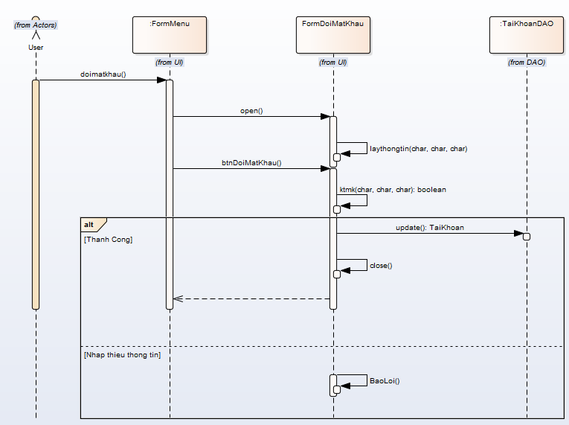
 | SequenceDiagram_v1.0

KH_HUE_L01_TranDucLinh_DoiMatKau_SequenceDiagram_v1.0

